Regular
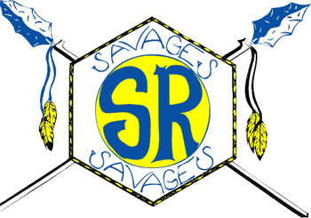

2021-22 BELL SCHEDULE
Mon-Wed

7:56 | First Bell
7:56-7:59 | Passing Time
7:59-9:00 | 1st period
9:00-9:05 | Nutrition Break
9:06-10:07 | 2nd period
10:10-11:11 | 3rd period
11:14-12:15 | 4th period
12:15-12:48 | Lunch
12:51-1:52 | 5th period
1:55-2:56 | 6th period
2:59-4:00 | 7th period
4:00 | Final Bell

 | 2021-07-19

